Model
Multi-Zone Reserve Estimation |  |  |  | Learn about model
 |  |  |  | Show Correlation Matrix
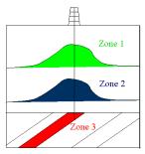
 | Zone 1 | Zone 2 | Zone 3
Area (acres) | 1700 | 2100 | 2394
Thickness (feet) | 38 | 50 | 45
Porosity (%) | 16% | 18% | 22%
Water Saturation (%) | 23% | 24% | 24%
Form. Volume Factor (bbl/stb) | 1.30 | 1.38 | 1.42
OOIP (mmstb) | 47.96 | 80.89 | 98.38
Recovery Factor (%) | 42% | 40% | 35%
Recoverable Oil (mmstb) | 20.15 | 32.36 | 34.43

Total Recoverable Oil (mmstb) | 86.94

